文檔需求
Requirements for cross-border document translation tools
form | Format | Translation needs | Translation needs & original intention | Summarize
Documents, pictures | word、pdf、txt、excel、png、ppt | Text, pictures, tables, PPT | Original intention: Reduce the actions of copying, translating, and pasting text documents one by one, and realize the conversion of document to document translation in batches. need: 1. Batch translate document text and export it to original format/editable format (to facilitate later proofreading) 2. It has a high accuracy in converting Chinese/Traditional Chinese to English expressions to achieve accurate translation without missing translations and reduce manual proofreading. 3. Preservation of font & fill & color 4. Table translation does not accumulate or omit 5. Supports the retention of pictures in the document (there will be pictures that need to be replaced later) 6. Support the application and import of term base | Achieve translation without changing the original format of the document (Fonts, colors, pictures, special symbols)
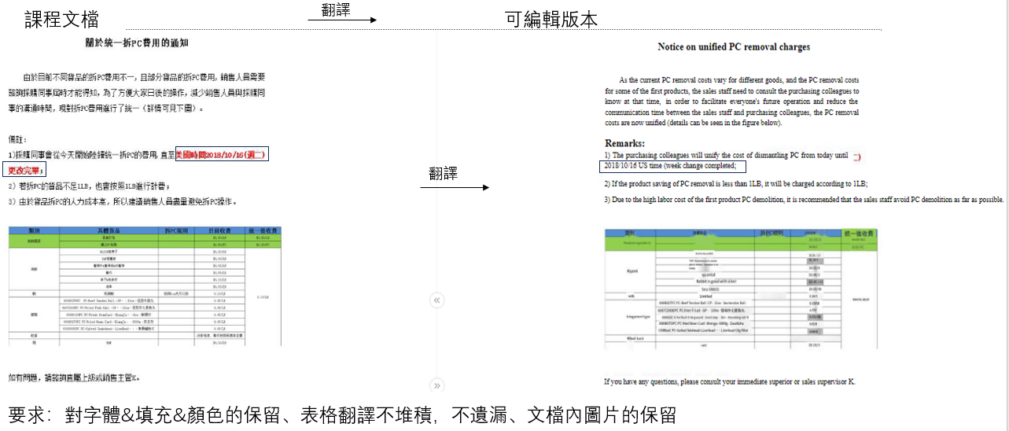
 |  |  |  |  | The step-by-step tutorials of the system (such as SJFOOD) need to be retained and replaced later.
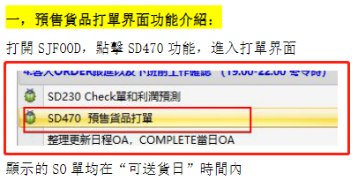

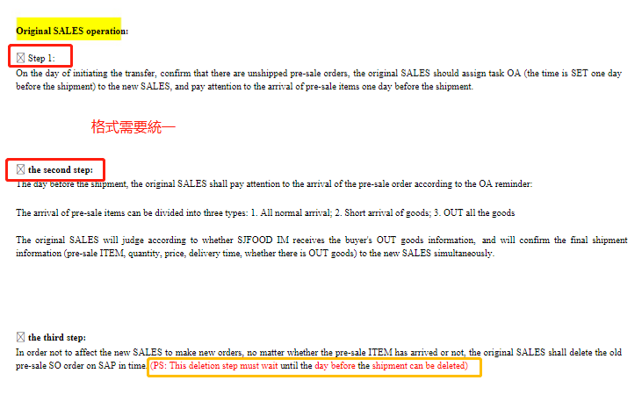

Translation situations/requirements to avoid |  |  | It is best to retain the position (alignment) and color of the original text without blurring it

The content in the pdf is ppt
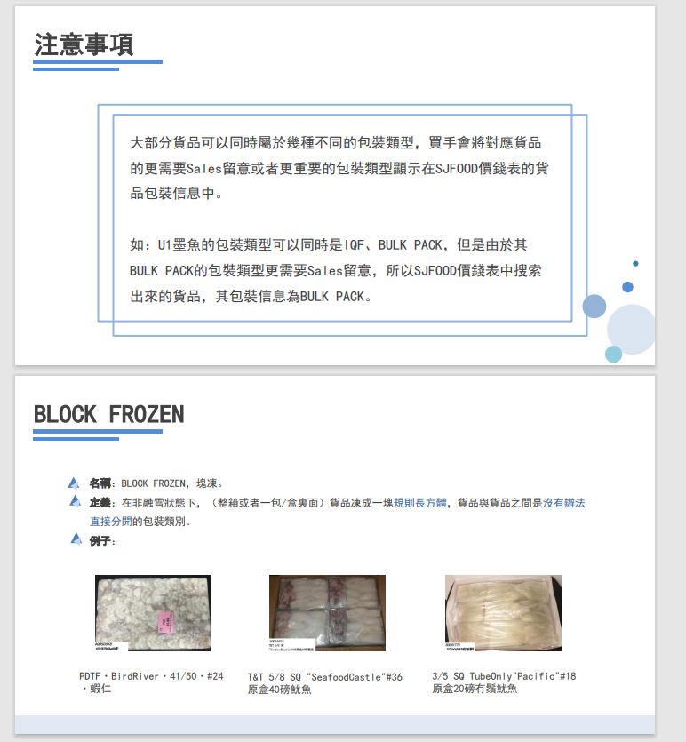

\\sj-share.sjfood.us\sales-department\Newcomer Training\Training PPT\Packaging Method Training

About the termbase | What is the import method? Training or import?
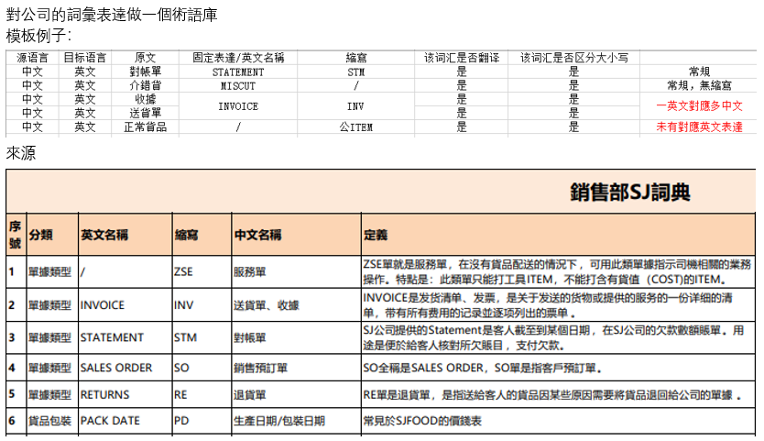

 |  |  | Note: There may be two expressions in Chinese. For example, INVOICE has two expressions in Chinese. When updating the term base, you need to pay attention to how many expressions there are in Chinese and English.

\\sj-share.sjfood.us\sales-department\Newcomer Training\Training PPT\Homework Training Course\8.SD-ARO. About the new product process that has not been obtained before customer consultation.pdf

流程圖需求
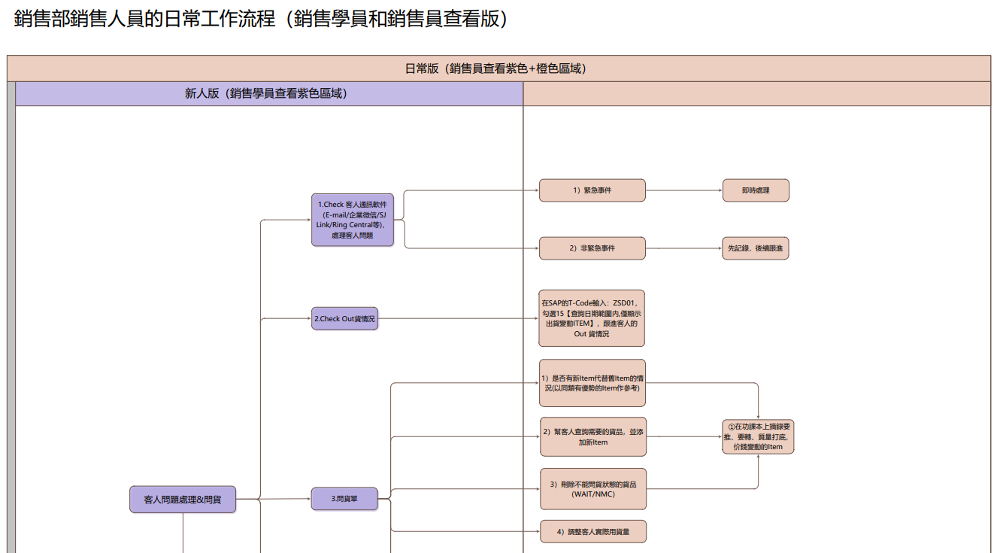
跨境流程圖翻譯工具需求
形式 | 格式 | 翻譯需求&初衷 | 總結
流程圖 | vsd/pdf | 初衷： 直接翻譯會受格子的限制，避免流程圖造成溢格/堆積的情況 需求： 1.將vsd/pdf格式的流程圖文字提取，將流程圖重新製作並翻譯成英語。 2.有較高中文/繁體轉英文表達的準確度，做到翻譯準確，不増譯漏譯，減少人工校對環節 3. 保留框架、顏色與線條 4. 支持術語庫的應用與導入 | pdf/vsd格式再製作，使其翻譯不受格子限制

避免情況
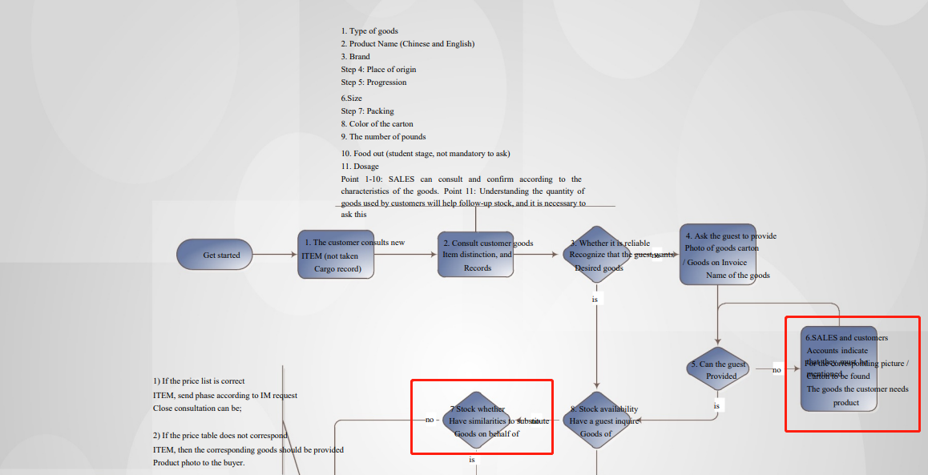

效果（vsd/pdf）
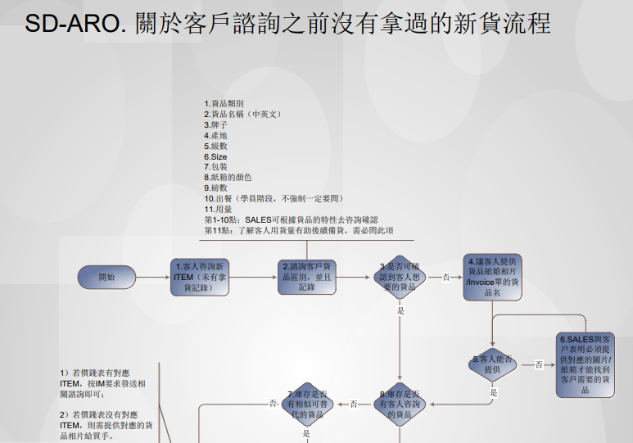
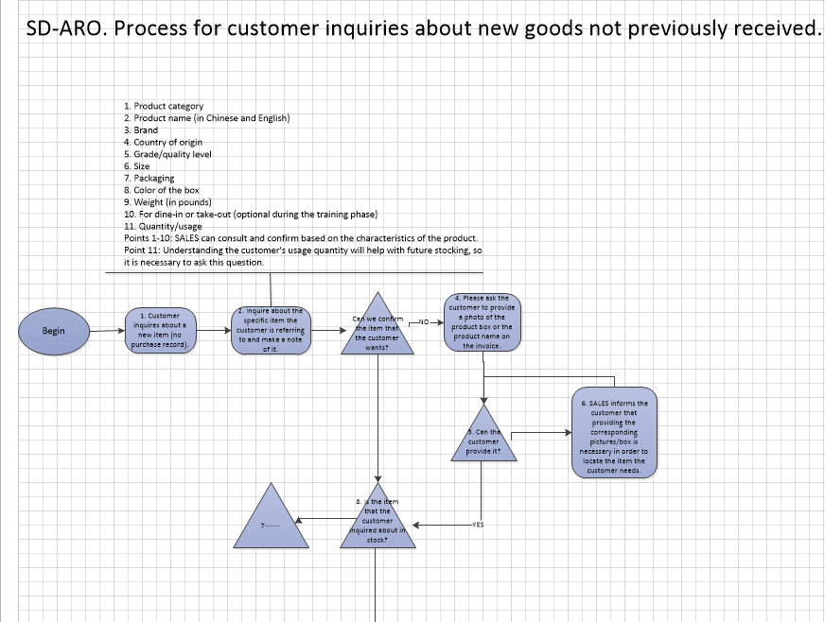

 |  |  |  | 翻譯

3. 保留框架、顏色與線條

